Bond Rating
Morning Star Bond Rating Analysis:
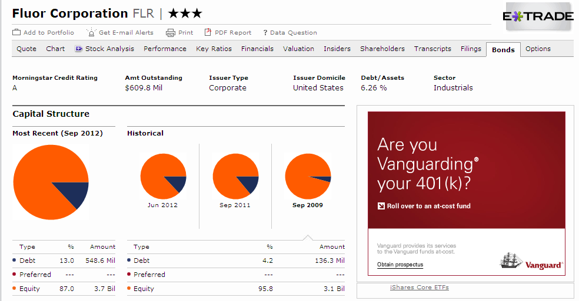

Table 12.2:

Fluor Bond Rating is A: Debt Beta = 0.05

 | Cost of Debt

 | Beta | 0.05
 | Rf | 1.61 | 10-yr U.S. Bond Rate
 | Rm | 2.38 | S&P 500 Return from 1/2008-10/2012

 | Cost of Debt = 1.61% + 0.05(2.38%)
 | Cost of Debt = 1.73%

